Sheet1
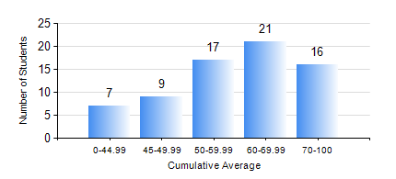
 |  |  | KWAME NKRUMAH UNIVERSITY OF SCIENCE AND TECHNOLOGY, KUMASI Department of Materials Engineering

 |  |  | BSC. MATERIALS ENG.

 |  |  | COMPREHENSIVE RECORD OF EXAMINATION RESULTS

 |  |  | RESULTS OF YEAR 3 FIRST SEMESTER, 2024/2025 ACADEMIC YEAR

 | Sn | Course Code |  | Course Name | Credit Hours | Min. Mark | Max. Mark | Avg. Mark | Std. Dev. | No. Passed | No. Trailed | No. (Df) | No. (I) | No. (I*) | No. Tagged(I,I*,Df) | Total
 | 0. |  |  |  |  |  |  | 0 | 0 | 0 | 0 | 0 | 0 | 0 | 0 | 5
 | 1. | MSE 351 |  | ENGINEERING CERAMICS | 3 | 12 | 93 | 62 | 20.29 | 57 | 8 | 0 | 0 | 0 | 0 | 65
 | 2. | MSE 353 |  | PYROMETALLURGY | 3 | 23 | 82 | 58 | 16.77 | 55 | 10 | 0 | 0 | 0 | 0 | 65
 | 3. | MSE 355 |  | POLYMER PROCESSING | 2 | 25 | 87 | 59 | 15.22 | 56 | 9 | 0 | 0 | 0 | 0 | 65
 | 4. | MSE 357 |  | FOUNDRY TECHNOLOGY | 3 | 24 | 93 | 63 | 16.55 | 57 | 8 | 0 | 0 | 0 | 0 | 65
 | 5. | MSE 359 |  | MATERIALS PROCESSING LABORATORY | 2 | 46 | 87 | 67 | 9.96 | 65 | 0 | 0 | 0 | 0 | 0 | 65
 | 6. | MSE 361 |  | STRESS AND STRAIN ANALYSIS OF RIGID BODIES | 3 | 20 | 92 | 60 | 16.74 | 61 | 4 | 0 | 0 | 0 | 0 | 65
 | 7. | MSE 363 |  | MATERIALS CHARACTERIZATION TECHNIQUE | 2 | 17 | 83 | 53 | 12.99 | 56 | 9 | 0 | 0 | 0 | 0 | 65
 | 8. | STAT 253 |  | PROBABILITY AND STATISTICS | 2 | 43 | 92 | 58 | 12.19 | 65 | 0 | 0 | 0 | 0 | 0 | 65

